Role
Table Name |  |  | Role
PREPARED BY
DESIGNATION
DATE

SCENARIO ID |  |  |  |  | SCENARIO DESCRIPTION

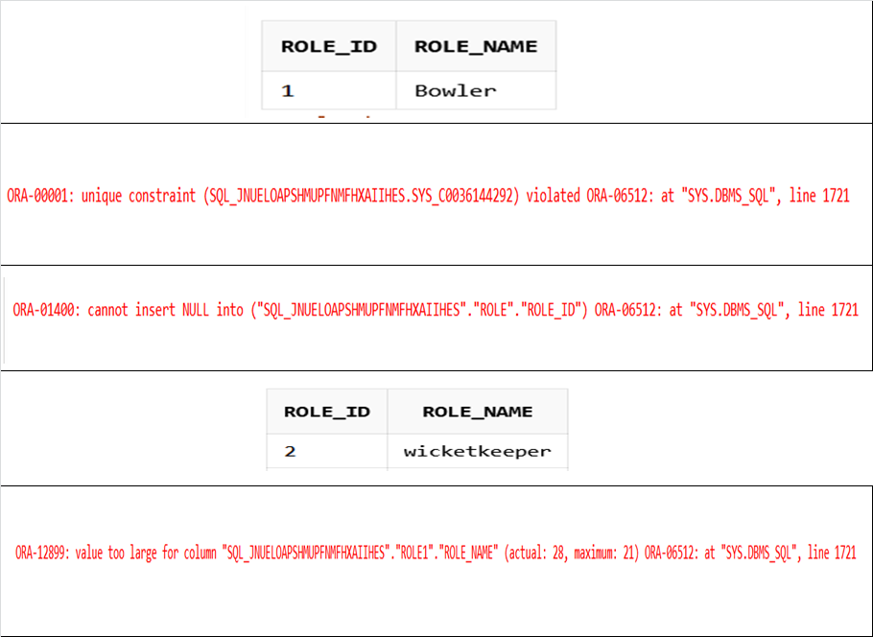
S.NO | COLUMN NAME | TEST CASE ID | DATA TYPES | CONSTRAINTS | TEST CASE DESCRIPTION | CONDITIONS TO CHECK | TABLE NAME | EXPECTED RESULT | ACTUAL RESULT | STATUS | DEFECT | DEFECT ID | COMMENTS | QUERRIES | OUTPUT | NAME
1 | Role_id | TESTROLE001 | INTEGER | PRIMARY KEY | role_id should be primary key ,It should not contain duplicate value (considering there is no value present in table) | Trying to insert role_id as (1) | Role | 1 Row inserted | 1 Row Inserted | PASS | NA |  | Inserted one Row Succesfully | INSERT INTO Role(Role_ID,Role_name) VALUES (1,'Bowler');
2 | Role_id | TESTROLE002 | INTEGER | PRIMARY KEY | role_id should be primary key , It should not contain duplicate value (considering there is same value present in table) | Trying to insert role_id as (1) | Role | ERROR | ERROR | PASS | NA |  | Error prompted: Implying role_id is a primary key thus no duplicate value can be inserted in it. | INSERT INTO Role(Role_ID,Role_name) VALUES (1,'Wicketkeeper');
3 | Role_id | TESTROLE003 | INTEGER | PRIMARY KEY | role_id should contain unique values and it can not insert null values ,what if null values are inserted | It should not contain null values | Role | ERROR | ERROR | PASS | NA |  | Error prompted: cannot insert NULL into role_id | INSERT INTO Role(Null,Role_name) VALUES (1,'Bowler');
4 | Role_name | TESTROLE004 | VARCHAR2(21) | NOT NULL | Varchar datatype accepts both str and int and it should contain in between 0 to 21 character | To check whether it accepts character less then given length | Role | 1 Row inserted | 1 Row Inserted | PASS | NA |  | Inserted one Row Succesfully | INSERT INTO Role(Role_ID,Role_name) VALUES (2,'WicketKeeper');
5 | Role_name | TESTROLE005 | VARCHAR2(21) | NOT NULL | Role name Should be in between 0 to 21 Character,varchar datatype accepts both str and int | To Insert Role name accepts more than 21 Character or not | Role | ERROR | ERROR | PASS | NA |  | Error prompted: value too large for column role_name | INSERT INTO Role(Role_ID,Role_name) VALUES (2,'WicketttttttKkkkkkeeperrrrrr');

